PRD
Product Requirement Document (PRD) - Version: 1.0

Template Name |  | Exercise Dashboard
Goals & Objective |  | From this dashboard the user will be able to watch different types of exercise video and manual, they will also will be able to track their time of exercise repetition From this website use can : -the user will be able to track exercise time -the user will be able to listen to music using spotify -
Client Information
Product Type |  | Web Application
Domain |  | Web2
Access Layers |  | User, Miner
Design Required |  | Yes

Phase | Item No | Specification [Role] | Screen Definition | User Story | Acceptance Criteria | UI Screen / Wireframe | Tags
Feature: 1 |  | Auth Feature
phase 1 | 1 | Signup [Miner] [User] | <Form> <input=name> <input=email> <input=gender> <input=dob> <input=password> <input=re-password> <input=user-type> <button=signup> <link=signin> | - Enter Full name (input) - Enter unregistered email (input) - Enter password (input) [Logic: At least 8 characters long, atleast one special character] - Enter password again (input) [Logic: should match password input] - Choose user type [user,miner] - Click Signup (button) [Logic: If the email is unique, user will be registered to the sysmem (databse)] - Signin (link) [Logic: redirect user to Login page] | - Email (input) field should only accept valid unregistered email address as input, otherwise will show an 'email already used' message. - Password (input) should be minimum 8 characters long. Otherwise show an invalid message. - Re-password (input) should match password. Otherwise show 'password do not match' message. - User type must be selected. Otherwise show 'Please select a user type'. - On clicking signup button, credential will be stored in database, user will be redirected to his dashboard. - A copy of the login information will be sent to his email. | 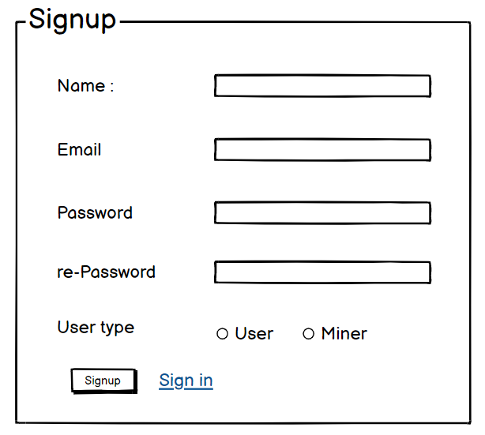 | signup
phase 1 | 2 | Signin [Miner] [User] | <Form> <input=email> <input=password> <option=remember me> <button=signin> <link=signup> <link=forgot password> | - Enter Email (input) - Enter password (input) - signin (button) - signup (link) - forgot password (link) | - Email must match database email - password must match database password - User go to dashboard (if email & password match with database) - User is promt with an error. "Email or password does not match!". (if email & password match with database) - clicking signup should take user to signup page - clicking forgot password should take him to forgot password page | 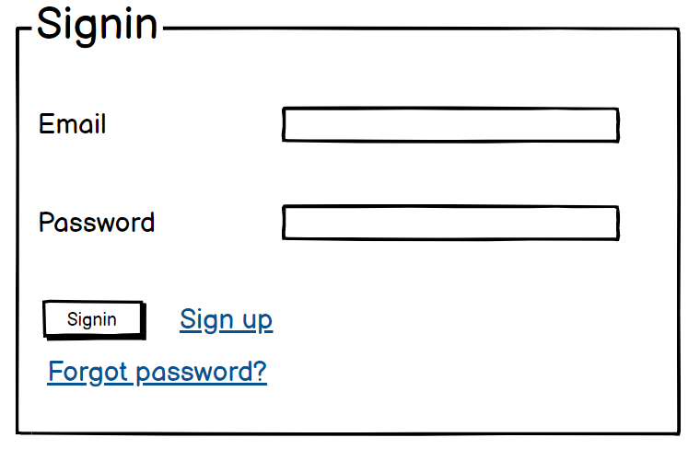 | signin
phase 1 | 3 | Forgot password[Miner] [User] | <Form> <input=email> <button=send code> <input=code> <input=password> <input=confirm Password> <button=submit> | - Enter email (input) - Press send code (button) - Enter new password (input) - Re-type new password (input) - click on change passowrd to update password (button) | - email must match DB email or promt "No email found!" - pressing send code will print a message "code sent!" and the code can be found at user info row. - enter new password [At least 8 characters long, atleast one special character] - re-type new password [it should match new password] - clicking submit button will show user -> "password changed" if all info match criteria or it'll indicate what's wrong | 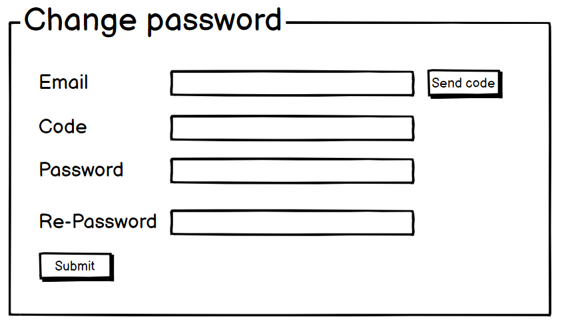 | forgot_password
Feature: 2 |  | Dashboard
phase 1 | 4 | Menu [User] | Dashboard Send money Public Ledger Latest Blocks View Profile Edit Profile Change Profile Photo Change Password | - Dashboard(link) - Send money(link) - public ledger (link) - Latest Blocks (link) - View Profile(link) - Edit profile(link) - change profile photo(link) - change password(link) | - clicking dashboard will take user to dashboard page - go to send money page on click - go to public ledger on Click - go to Latest blocks page on click - go to view profile page on click - go to edit profile page on Click - go to change profile page on Click - go to change password page on Click | 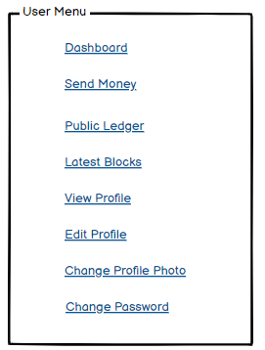 | Menu
phase 1 | 5 | Menu[Miner] | <Unordered list> Dashboard Send money Public Ledger Latest Blocks Mempool Mine block Verify blocks View Profile Edit Profile Change Profile Photo Change Password | - Dashboard(link) - Send money(link) - public ledger(link) - Latest blocks(link) - Mempool(link) - Mine Blocks(link) - Verify Blocks(link) - View Profile(link) - Edit profile(link) - change profile photo(link) - change password(link) | - clicking dashboard will take user to dashboard page - go to send money page on click - go to public ledger on Click - go to Latest blocks page on click - go to mempool page on click - go to mine blocks page on click - go to verify blocks page on click - go to view profile page on click - go to edit profile page on Click - go to change profile page on Click - go to change password page on Click | 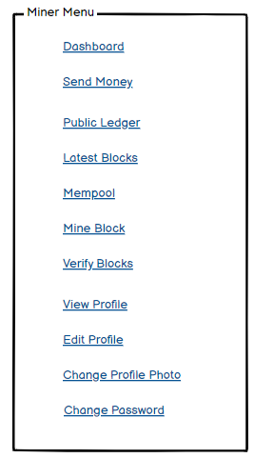
phase 1 | 6 | Dashboard [Miner] [User] | <table> Balance : 100.23 BTC View transaction history (link) Your public key Your private key Your bitcoin address | - Balance (text) - trx history(link) - public key (text) - private key(text) - bitcoin address(text) | 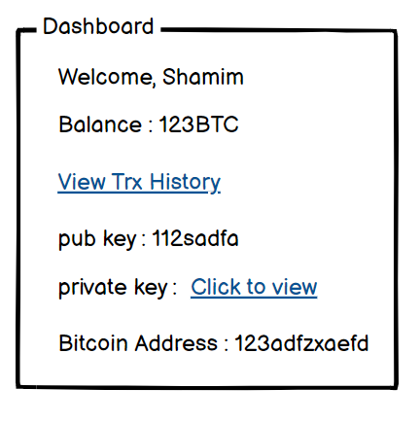 - show appropiate Balance ( should not be less than 0) - clicking trx history link will take user to trx history page - public key is shown - private key is only shown when clicked - bitcoin address is shown
Feature: 3 |  | Top bar and Bottom Bar
Feature: 4 |  | Send Money
Feature: 5 |  | Public Ledger
Feature: 6 |  | Block
Feature: 7 |  | Mempool
Feature: 8 |  | Mine Blocks
Feature: 9 |  | Verify Blocks
Feature: 10 |  | Profile
Feature: 11 |  | Transaction details
Feature: 12 |  | Block details
Feature: 13 |  | Notification
Feature: 14 |  | Fllowed User
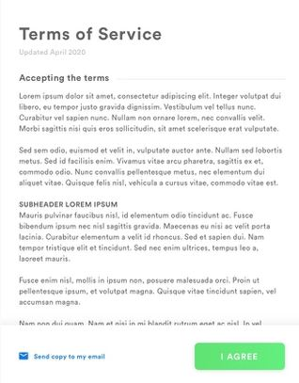
Feature: 15 |  | Legal Agreement Feature
Feature: 16 |  | Transaction History
Feature: 17 |  | About
Feature: 18 |  | Learning Portal
Feature: 19 |  | Deposit
Feature: 20 |  | FAQ
Feature: 21 |  | Currency Converstion
Feature: 22 |  | Request Bitcoin
Feature: 22 |  | Bill Payment

